CACFP Sugar Calculators
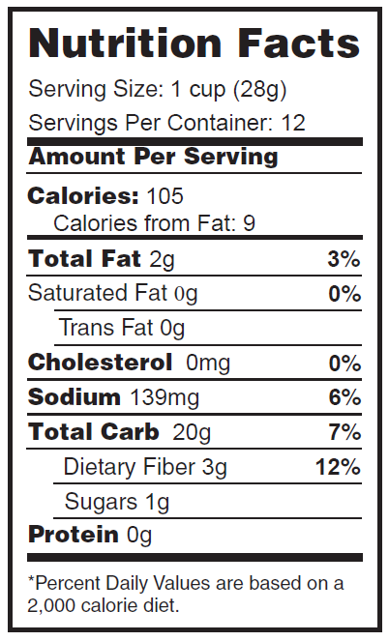
Yogurt - Sugar Calculator
Step 1: Enter the Serving Size (enter number only): | Sample Nutrition Fact Label:
Step 2: Select the Serving Unit from the drop down box:
Step 3: Enter the Amount of Sugar (in grams):
Step 4: Amount of Sugar/Serving:

Is this yogurt creditable?

Breakfast Cereal - Sugar Calculator
Step 1: Enter the Serving Size (enter number only):
Step 2: Select the Serving Unit from the drop down box:
Step 3: Enter the Amount of Sugar (in grams):
Step 4: Amount of Sugar/Serving:

Is this cereal creditable?

